3 - Entire Product Offering-MPS
Department of Information Resources
Request for Offer DIR-TSO-TMP-419
Managed Print Services, Printers, Copiers, 3D Printers, Scanning, Plotting and Facsimile Equipment and Related Services; Document Imaging Services/Solutions; Enterprise Content Management Products, Software and Services
BID PACKAGE 2 - ENTIRE PRODUCT OFFERING MPS
You should list every product that will be offered on a contract. If it is not listed here it will not be included in the contract. BE SURE TO DETAIL YOUR PRODUCT DESCRIPTION.
* For Vendor reference: DIR CUSTOMER PRICE contains 0.75% DIR Administrative Fee and it will be AUTOMATICALLY calculated once all other cells are filled. For reference purposes, the formula to calculate DIR Customer Price is: DIR Customer Price = MSRP x (1-DIR Discount%) x (1+0.75%)
DO NOT make any changes to the format of the grids. Insert additional rows as needed.
MANAGED PRINT SERVICES, NETWORK DEVICES, NON-NETWORK DEVICES and RELATED SERVICES
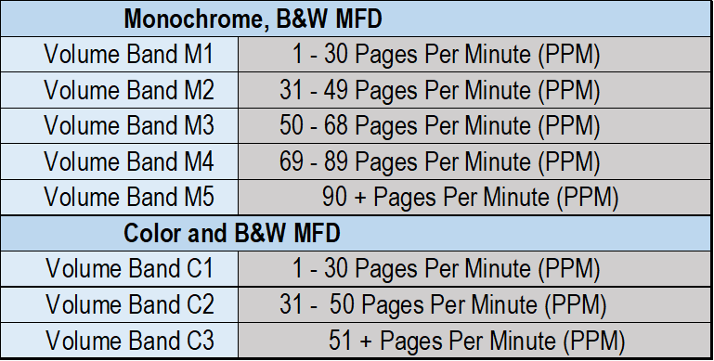
MANAGED PRINT SERVICES, NETWORK DEVICES, NON-NETWORK DEVICES and RELATED SERVICES |  |  |  |  |  |  |  |  |  |  |  | Disaster Recovery Only
CATEGORY | SUBCATEGORY | MODEL | PRODUCT PART NUMBER/SKU | Per Mo-24 Month | Per Mo-36 Month | Per Mo-48 Month | Per Mo-60 Month | PRODUCT DESCRIPTION | MSRP | DIR CUSTOMER DISCOUNT% OFF MSRP | DIR CUSTOMER PRICE* | Per Mo-48 Month (Disaster Recovery) | Per Mo-60 Month (Disaster Recovery)

CATEGORY | SUBCATEGORY | BRAND | SKU / PART NUMBER | Per Mo-24 Month | Per Mo-36 Month | Per Mo-48 Month | Per Mo-60 Month | PRODUCT DESCRIPTION | MSRP | DIR CUSTOMER DISCOUNT% OFF MSRP | DIR CUSTOMER PRICE* | Per Mo-48 Month (Disaster Recovery) | Per Mo-60 Month (Disaster Recovery)

Service Level Agreement (SLA) Projects/SOW may have no MSRP but must offer a % discount off of original quoted price
MANAGED PRINT SERVICES | SUBCATEGORY | BRAND | PRODUCT PART NUMBER/SKU |  |  |  |  | PRODUCT DESCRIPTION | MSRP | DIR CUSTOMER DISCOUNT% OFF MSRP | DIR CUSTOMER PRICE*

MANAGED PRINT SERVICES, NETWORK DEVICES, NON-NETWORK DEVICES RELATED SERVICES
RELATED SERVICES | SUBCATEGORY | BRAND | PRODUCT PART NUMBER/SKU |  |  |  |  | PRODUCT DESCRIPTION | MSRP | DIR CUSTOMER DISCOUNT% OFF MSRP | DIR CUSTOMER PRICE*

MANAGED PRINT SERVICES, NETWORK DEVICES, NON-NETWORK DEVICES ACCESSORIES |  |  |  |  |  |  |  |  |  |  |  | Disaster Recovery Only
ACCESSORIES | SUBCATEGORY | BRAND | PRODUCT PART NUMBER/SKU | Per Mo-24 Month | Per Mo-36 Month | Per Mo-48 Month | Per Mo-60 Month | PRODUCT DESCRIPTION | MSRP | DIR CUSTOMER DISCOUNT% OFF MSRP | DIR CUSTOMER PRICE* | Per Mo-48 Month (Disaster Recovery) | Per Mo-60 Month (Disaster Recovery)

MANAGED PRINT SERVICES, NETWORK DEVICES, NON-NETWORK DEVICES MISCELLANEOUS / OTHER
MISCELLANEOUS / OTHER | SUBCATEGORY | BRAND | PRODUCT PART NUMBER/SKU |  |  |  |  | PRODUCT DESCRIPTION | MSRP | DIR CUSTOMER DISCOUNT% OFF MSRP | DIR CUSTOMER PRICE*

